Fibroblast(1)
 | Pipetting cells into open chamber V#-VJ.i |  | HEK cell count 15 Mx from σ, minimum cell harvest 12 Mx
Edit |  |  | Term | Symbol | = | Definition | Edit | Unit |  |  |  |  |  |  |  | Comment
 | Edit respirometric settings |  | experimental chamber volume | V | = | V + Vstopper capillary | 0.500 | mL |  | = | 0.50 | mL | or | 2.00 | mL | 1. Select V# of 0.5-mL or 2.0-mL O2k chamber
 |  |  | excess volume: VStopper capillary + sampling + waste | Vexcess |  |  | 0.040 | mL |  |  | 0.04 | mL | or | 0.085 | mL | 2. Excess volume that is subsampled or expelled into the stopper receptacle.
 |  |  | total volume before subsampling from chamber and closing chamber | V# | = | V + Vexcess | 0.540 | mL |  |  | 0.54 | mL | or | 2.09 | mL
 |  |  | cell-count concentration in experimental chamber | Cce | = | Nce/V | 1.500 | Mx/mL |  |  |  |  |  |  |  | 3. Adjust to modify JV,O2, a quantity of respirometric design.
 |  |  | subsample volume of stock VJ titrated into respirometer chamber | VJ.i |  |  | 0.200 | mL |  |  | 0.10 | mL | to | 2.10 | mL | 4. Aim at V#/VJ.i dilution ≈2; increase VJ.i if ΔVJ is negative.
 | Edit cell suspension volumes σ |  | volume of cell suspension σ; from pre-experimental concept | Vσ |  |  | 0.950 | mL |  |  |  |  |  |  |  | 6. Maximize, but decrease Vσ if ΔVJ is negative at minimum cell harvest.
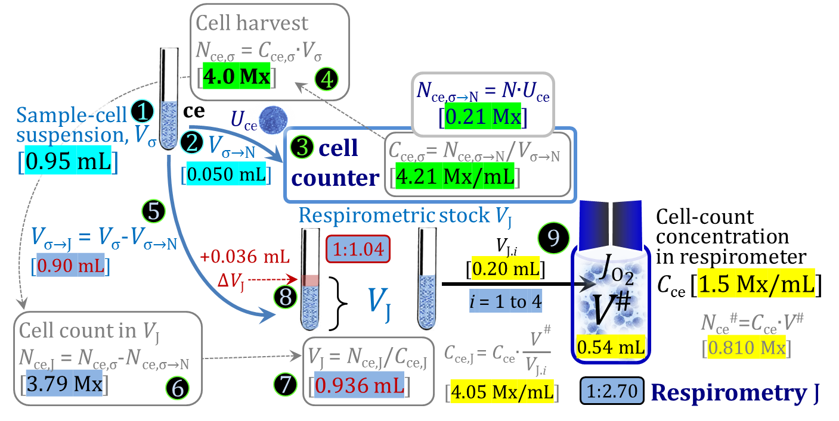
 |  |  | fixed subsample from Vσ for cell counting with further dilution steps | Vσ→N |  |  | 0.05 | mL
 | Edit cell count result |  | cell harvest; cell count in Vσ | Nce,σ | = | Cce,σ∙Vσ | 4.00 | Mx |  |  |  |  |  |  |  | 5. Test with minimum expected cell harvest; total cells available (min 12 Mx).

Results |  | Step | Term | Symbol | = | Definition | Numerical value | Unit | Control
 | I. Respirometric settings | a | total volume before subsampling from chamber and closing chamber | V# | = | V + Vexcess | 0.540 | mL |  |  |  |  |  |  |  | V# in open 0.5-mL or 2.0-mL O2k chamber
 |  | b | cell-count concentration in experimental chamber | Cce | = | Nce/V | 1.500 | Mx/mL |  |  |  |  |  |  |  | JV,O2 depends on Cce.
 |  | c | cell count in V# | Nce# | = | Cce∙V# | 0.810 | Mx | 0.810 | = | 1.50 | Mx/mL | ∙ | 0.540 | mL | For additions of cells by pipette
 |  | d | subsample volume of stock VJ titrated into respirometer chamber | VJ.i |  |  | 0.200 | mL
 |  | e | cell-count concentration in respirometric stock VJ | Cce,J | = | Cce∙V#/VJ.i | 4.05 | Mx/mL | 4.05 | = | 0.81 | Mx | / | 0.200 | mL
 | II. Cell suspension σ | 1 | volume of cell suspension σ | Vσ |  |  | 0.950 | mL
 |  | 2 | subsample from Vσ for cell counting with further dilution steps | Vσ→N |  |  | 0.050 | mL
 | III. Cell counter | 3 | cell-count concentration in cell suspension Vσ and Vσ→N | Cce,σ | = | Nce,σ/Vσ | 4.21 | Mx/mL | 4.21 | = | 4.00 | Mx | / | 0.950 | mL
 |  | 3 | cell-count in cell count subsample from σ | Nce,σ→N | = | Cce,σ∙Vσ→N | 0.21 | Mx | 0.21 | = | 4.21 | Mx/mL | ∙ | 0.050 | mL
 |  | 4 | cell harvest; cell count in Vσ | Nce,σ | = | Cce,σ∙Vσ | 4.00 | Mx
 | IV. Cell suspension J, respirometric stock | 5 | subsample from Vσ for respirometry J | Vσ→J | = | Vσ-Vσ→N | 0.900 | mL | 0.900 | = | 0.950 | mL | - | 0.050 | mL
 |  | 6 | cell count in VJ | Nce,J | = | Cce,σ∙Vσ→J = Nce,σ-Nce,σ→N | 3.79 | Mx | 3.79 | = | 4.00 | Mx | - | 0.211 | Mx
 |  | 7 | volume of respirometric stock J | VJ | = | Nce,J/Cce,J | 0.936 | mL | 0.936 | = | 3.79 | Mx | / | 4.05 | Mx/mL
 |  | 8 | volume added to Vσ→J | ΔVJ | = | VJ-Vσ→J | 0.036 | mL | 0.036 | = | 0.936 | mL | - | 0.900 | mL | If ΔVJ is negative: (1) increase acute VJ.i; (2) decrease designed Vσ.
 |  | 9 | max. number of technical JO2 repeats | n | = | VJ/VJ.i | 4.68 | x | 4.68 | = | 0.936 | mL | / | 0.20 | mL
 | Dilutions | a | First cell suspension to respirometric stock | VJ/Vσ→J | = | Cce,σ/Cce,J | 1.04 |  | 1.04 | = | 0.90 | mL | / | 0.94 | mL | Dilution from Cce,σ to Cce,J.
 |  | b | Respirometric stock to respirometric chamber | V#/VJ.i | = | Cce,J/Cce | 2.7 |  | 2.70 | = | 4.05 | mL | / | 1.50 | mL | Dilution from Cce,J to Cce.
 |  |  | Total dilution | a∙b | = | Cce,σ/Cce | 2.81 |  | 2.81 | = | 4.21 | Mx/mL | / | 1.50 | Mx/mL | Dilution from Cce,σ to Cce.

